Sheet1
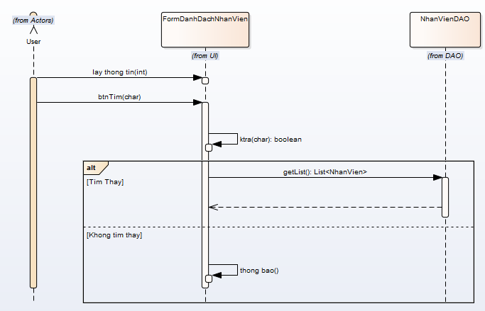
 | KH_HUE_L01_TranDucLinh_Quan Ly Nhan Vien_SequenceDiagram_v1.0

KH_HUE_L01_TranDucLinh_Danh Sach Nhan Vien_SequenceDiagram_v1.0

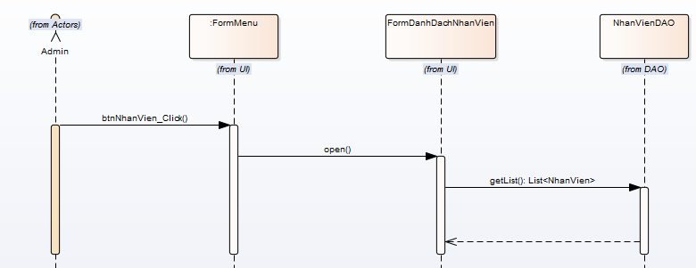

KH_HUE_L01_TranDucLinh_Sua Nhan Vien_SequenceDiagram_v1.0

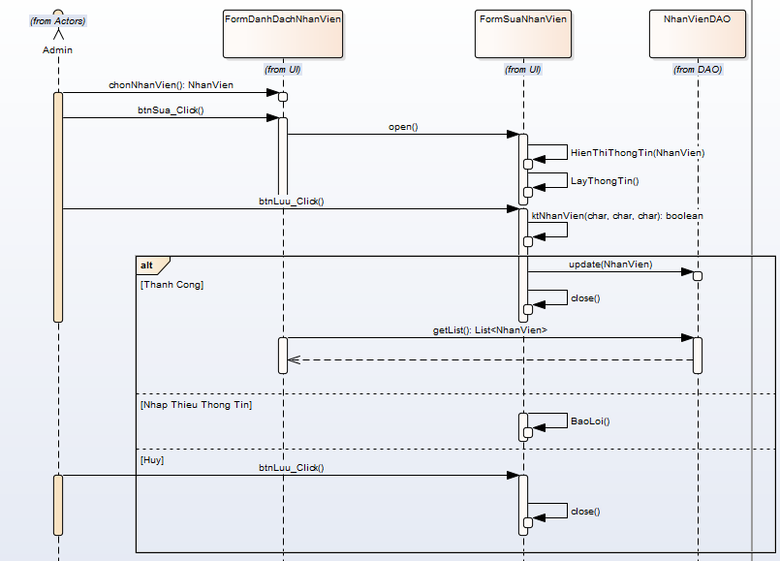

KH_HUE_L01_TranDucLinh_Them Nhan Vien_SequenceDiagram_v1.0

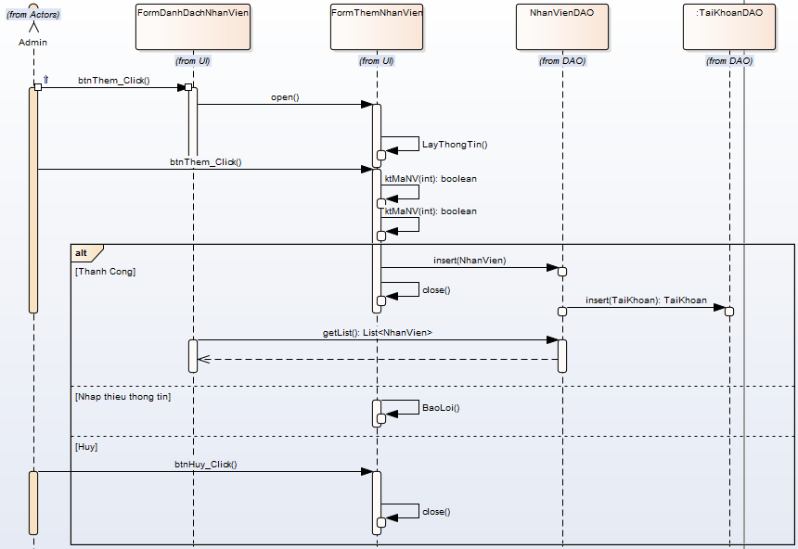

KH_HUE_L01_TranDucLinh_Xoa Nhan Vien_SequenceDiagram_v1.0

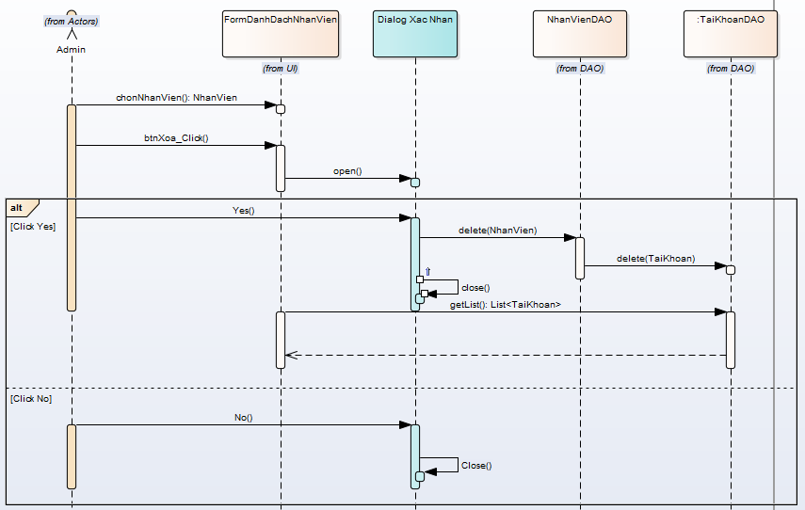

KH_HUE_L01_TranDucLinh_Tim Nhan Vien_SequenceDiagram_v1.0

